Dashboard
Understanding Springfield
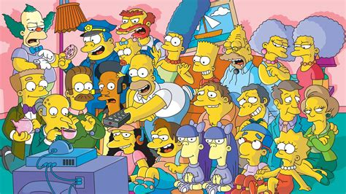
Raw Data
Descriptives
Histogram
Pivot tables
Boxplots and T-Tests
Linear Regression
OR and RR

Descriptives

What do some of these behaviours in Springfield look like?
Look at the formulae in the filled cells. Try to complete the rest.
Some Descriptives
 | Sleep_hours | Duff_beers | Cigarettes_per_day | Donuts_per_day | Work_ethic | Anger_level
Mean | 6.24
Median | 6
SD | 1.5059067375
Min | 4
Max | 9

Correlations
Duff v Cigarettes | 0.78602125547
Duff v Sleep

ToolPak
Data → Data Analysis → Descriptive Statistics
Tick Summary statistics

Histogram
How are some of these behaviours distributed?


1. Insert > chart > histogram.
2. Select data > any column in raw_data.
3. Set the bin width.
4. Explore formatting options.
5. Describe the shape.

Pivot_Tables
How to quickly compare groups?


1. Create a Smoker_Level column in the raw data (see how Duff_level was made).
2. Insert a pivot table (this will create a new worksheet…that is okay).
3. Set a categorical variable as a group.
4. Set a continuous variable as values = average Productivity, average Sleep, average Duff.
5. Explore.

Linear_Regression
How are these behaviours associated with productivity?


1. Insert > chart > scatter.
2. Select data > choose variables from raw_data (hold cmd/ctrl to select non-adjacent columns).
3. Add a trendline (chart elements). Use slope, intercept and Rsq to summarise the line.
4. Explore formatting options.
5. Describe the shape.

Doughnut Consumption vs Productivity
 | Productivity_score
8 | 30
0 | 83
9 | 36
2 | 97
0 | 98
3 | 55
1 | 63
1 | 91
2 | 98
1 | 84
2 | 85
2 | 82
4 | 61
7 | 31
3 | 36
0 | 89
4 | 30
7 | 34
2 | 60
4 | 27
1 | 96
2 | 97
0 | 91
4 | 69
4 | 67
2 | 89
2 | 61
3 | 59
1 | 67
0 | 91
4 | 65
3 | 62
7 | 30
8 | 54
7 | 30
2 | 93
4 | 80
4 | 55
2 | 95
6 | 35
6 | 31
2 | 62
5 | 30
2 | 62
11 | 45
5 | 65
1 | 92
3 | 66
11 | 29
1 | 97

ToolPak
Data → Data Analysis → Regressions
Select Y, then all for X (need to be contiguous)

OR_RR

What are the risks, and odds, of getting fired?
Look at the formulae in the filled cells. Try to compile your own 2x2.

Group | Fired | Not Fired | Total | Group | Outcome | Not | Total
Duff >=3 | 19 | 1 | 20 | Category |  |  | 0
Other | 9 | 21 | 30 | Other |  |  | 0
Total | 28 | 22 | 50 | Total | 0 | 0 | 0

Risks |  | Odds |  | Risks |  | Odds
Duff >=3 | 1.0 | Duff >=3 | 19.0 | Category | #DIV/0! | Category | #DIV/0!
Other | 0.3 | Other | 0.4 | Other | #DIV/0! | Other | #DIV/0!
RR | 3.2 | OR | 44.3 | RR | #DIV/0! | OR | #DIV/0!

